Slot Parameters
 | Application | HR/HRV/Soft adt green | SPO2 |  | Soft adt green |  | ADT
 | Slot type | PPG | PPG | PPG | PPG | PPG | ADT
 | LED color | Green | Red | IR | IR | NULL | IR
Slot parameters | SAMPLE_RATE_DIVIDER | 39(25Hz) | 39(25Hz) | 39(25Hz) | 39(25Hz) | 39(25Hz) | 199(5Hz)
 | LED_SELECT | Select Green LED | Select Red LED | Select IR LED | Select IR LED | NULL | Select IR LED
 | DRVx_CURRENT | 20mA(Total) | 40mA(Total) | 40mA(Total) | 10mA(Total) | 0mA(Total) | 10mA(Total)

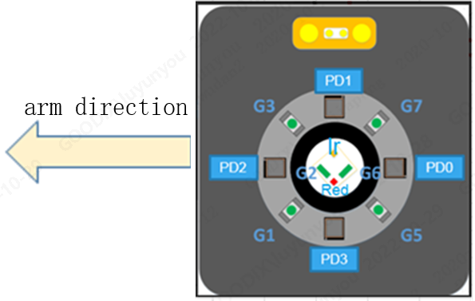
 | BG_LEVEL | 1 | 1 | 1 | 1 | 0 | 1
 | RX0_PD_SEL | 0 | 0 | 0 | 0 | 0 | 0
 | RX0_ASSIGN | HR/HRV/Soft adt green | SPO2 | SPO2 | Soft adt green | Soft adt green | ADT
 | RX1_PD_SEL | 1 | 32 | 32 | 32 | 32 | 32
 | RX1_ASSIGN | HR/HRV | - | - | - | - | -
 | RX0_TIA_GAIN | 250K | 25K | 25K | 50K | 50K | 50K
 | RX1_TIA_GAIN | 250K | 25K | 25K | 50K | 50K | 50K
 | BG_CANCEL_ENABLE | 1 | 1 | 1 | 1 | 0 | 1
 | RX0_BG_CANCEL | 0:32uA | 0:32uA | 0:32uA | 3:256uA | - | 3:256uA
 | RX1_BG_CANCEL | 0:32uA | 0:32uA | 0:32uA | 3:256uA | - | 3:256uA
 | DC_CANCEL_ENABLE | 0 | 0 | 0 | 0 | 0 | 0
 | RX0_DC_CANCEL | 0 | 0 | 0 | 0 | 0 | 0
 | RX1_DC_CANCEL | 0 | 0 | 0 | 0 | 0 | 0
 | INT_TIME | 39.4us | 157.5us | 157.5us | 9.85us | 9.85us | 9.85us
 | SYNC_OUTPUT_ENABLE | 0 | 0 | 0 | 0 | 0 | 0
 | AGC_ENABLE | depend on hardware | depend on hardware | depend on hardware | 0:disable | 0:disable | 0:disable
 | AGC_ADJ_UP_LIMIT (DRV code) | 255 (Depend on LED maximum load current) | 255 (Depend on LED maximum load current) | 255 (Depend on LED maximum load current) | - | - | -
 | AGC_ADJ_DOWN_LIMIT (DRV code) | 16 | 16 | 16 | - | - | -
 | AGC_SOURCE | Select the channel with the largest CTR | Select the channel with the largest CTR ; The distance from PD to red LED and IR LED must be equal | Select the channel the same with Red LED Slot ; The distance from PD to red LED and IR LED must be equal | - | - | - | For example, the multi-PD structure is shown in the figure above. PD selection rule of SPO2: Select the channel as AGC source with the largest CTR from PD0 or PD2 because they have the same distance to the red LED and IR LED; PD selection rules of HR: If you need to select two PDs from the four PDs, then select PD1 and PD3 because they are in the vertical arm direction; And select the channel with the largest CTR as AGC source from all the selected PDs.

